Pivot Table
Avg Income Per Purchase
Average of Income | Column Labels
Row Labels | No | Yes | Grand Total
Female | $53,440 | $55,774 | $54,581
Male | $56,208 | $60,124 | $58,063
Grand Total | $54,875 | $57,963 | $56,360

Customer Commute
Count of Purchased Bike | Column Labels
Row Labels | No | Yes | Grand Total
0-1 Miles | 166 | 200 | 366
1-2 Miles | 92 | 77 | 169
2-5 Miles | 67 | 95 | 162
5-10 Miles | 116 | 76 | 192
More than 10 miles | 78 | 33 | 111
Grand Total | 519 | 481 | 1000

Customer Age Bracket
Count of Purchased Bike | Column Labels
Row Labels | No | Yes | Grand Total
20s | 48 | 35 | 83
30s | 122 | 179 | 301
40s | 171 | 145 | 316
50s | 100 | 85 | 185
60s | 69 | 31 | 100
70 + | 9 | 6 | 15
Grand Total | 519 | 481 | 1000

Customers that own cars
Count of Purchased Bike | Column Labels
Row Labels | No | Yes | Grand Total
0 | 96 | 151 | 247
1 | 115 | 152 | 267
2 | 218 | 124 | 342
3 | 52 | 33 | 85
4 | 38 | 21 | 59
Grand Total | 519 | 481 | 1000

Dashboard
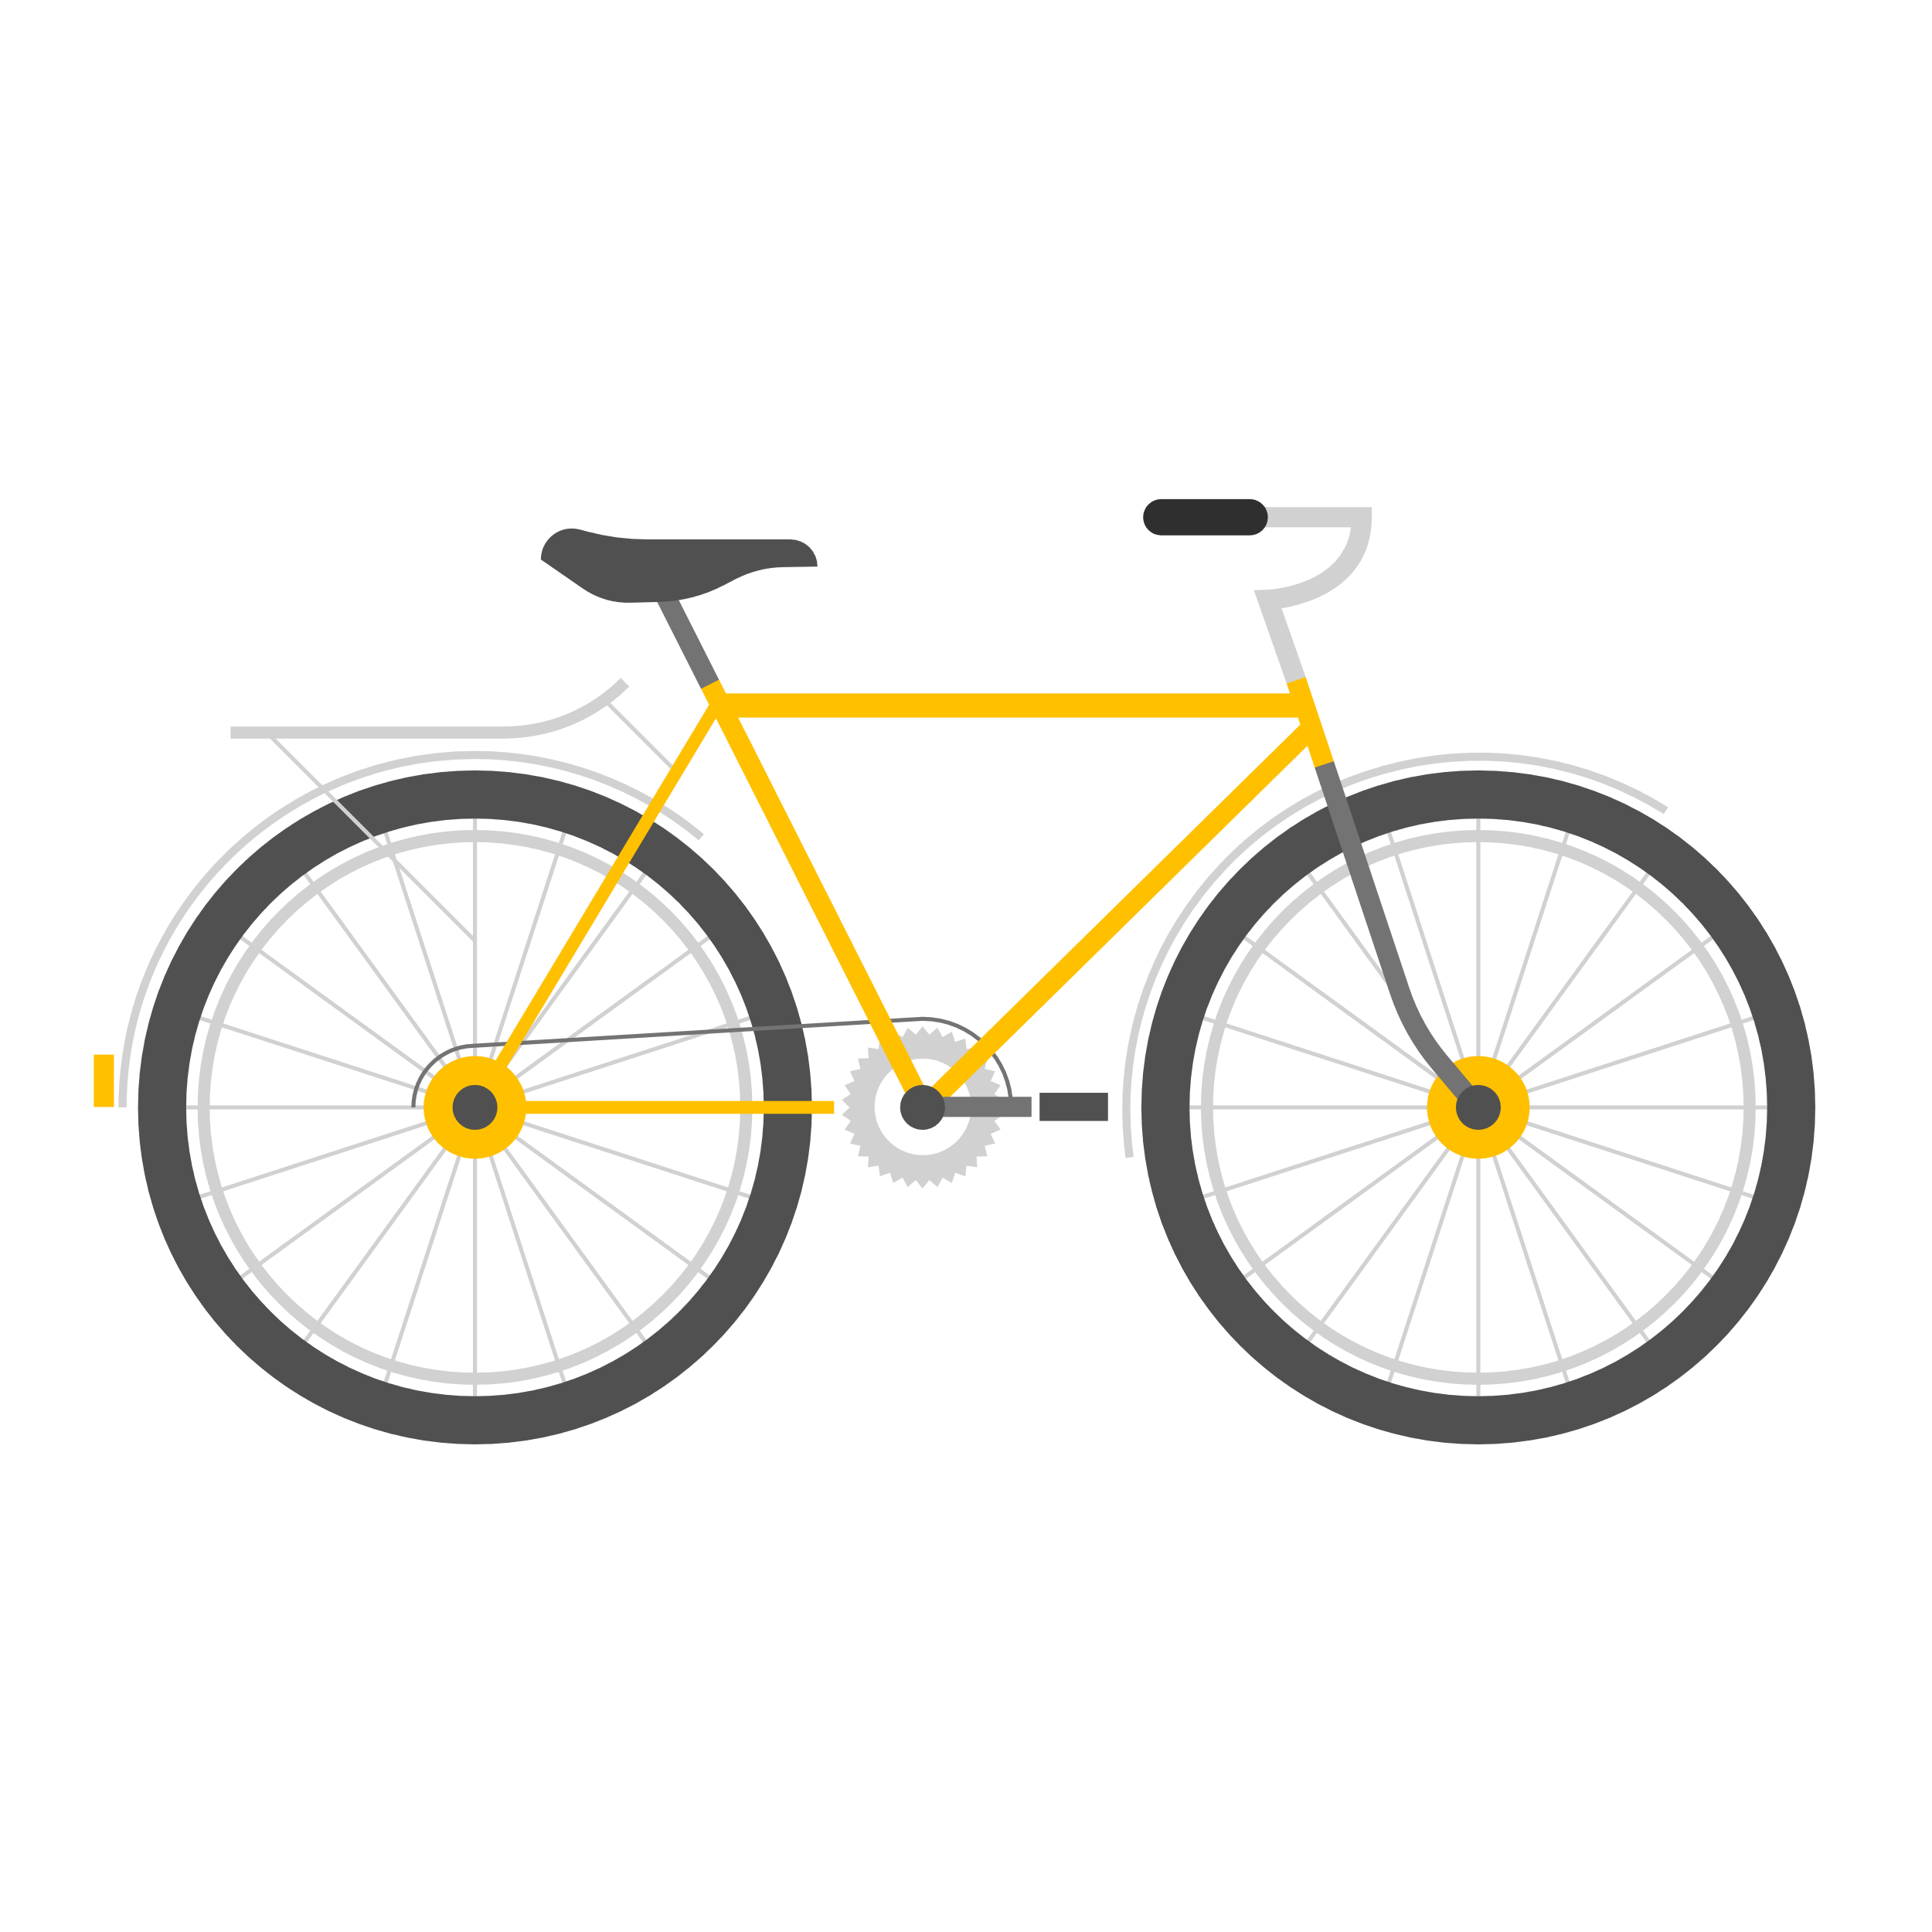

Bike Sales Dashboard

Avg Income Per Purchase
 | No | Yes
Female | $53,440 | $55,774
Male | $56,208 | $60,124
Customer Age Bracket
 | No | Yes
20s | 48 | 35
30s | 122 | 179
40s | 171 | 145
50s | 100 | 85
60s | 69 | 31
70 + | 9 | 6

Customer Age Bracket
 | No | Yes
20s | 48 | 35
30s | 122 | 179
40s | 171 | 145
50s | 100 | 85
60s | 69 | 31
70 + | 9 | 6
Customers that own cars
 | No | Yes
0 | 96 | 151
1 | 115 | 152
2 | 218 | 124
3 | 52 | 33
4 | 38 | 21

